Script
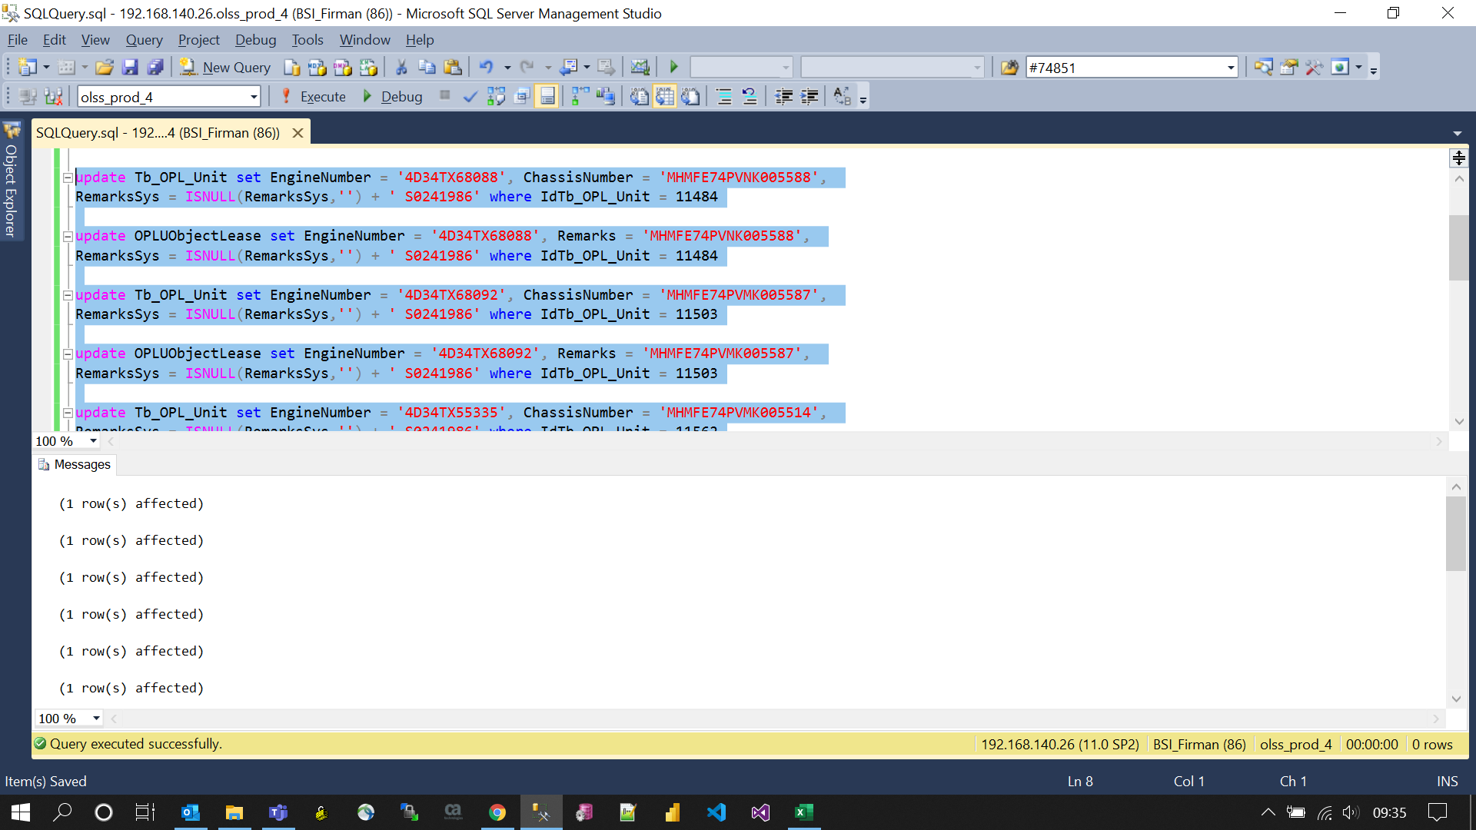
update Tb_OPL_Unit set EngineNumber = '4D34TX68088', ChassisNumber = 'MHMFE74PVNK005588',
RemarksSys = ISNULL(RemarksSys,'') + ' S0241986' where IdTb_OPL_Unit = 11484

update OPLUObjectLease set EngineNumber = '4D34TX68088', Remarks = 'MHMFE74PVNK005588',
RemarksSys = ISNULL(RemarksSys,'') + ' S0241986' where IdTb_OPL_Unit = 11484

update Tb_OPL_Unit set EngineNumber = '4D34TX68092', ChassisNumber = 'MHMFE74PVMK005587',
RemarksSys = ISNULL(RemarksSys,'') + ' S0241986' where IdTb_OPL_Unit = 11503

update OPLUObjectLease set EngineNumber = '4D34TX68092', Remarks = 'MHMFE74PVMK005587',
RemarksSys = ISNULL(RemarksSys,'') + ' S0241986' where IdTb_OPL_Unit = 11503

update Tb_OPL_Unit set EngineNumber = '4D34TX55335', ChassisNumber = 'MHMFE74PVMK005514',
RemarksSys = ISNULL(RemarksSys,'') + ' S0241986' where IdTb_OPL_Unit = 11562

update OPLUObjectLease set EngineNumber = '4D34TX55335', Remarks = 'MHMFE74PVMK005514',
RemarksSys = ISNULL(RemarksSys,'') + ' S0241986' where IdTb_OPL_Unit = 11562

update Tb_OPL_Unit set EngineNumber = '4D34TX55337', ChassisNumber = 'MHMFE74PVMK005515',
RemarksSys = ISNULL(RemarksSys,'') + ' S0241986' where IdTb_OPL_Unit = 11563

update OPLUObjectLease set EngineNumber = '4D34TX55337', Remarks = 'MHMFE74PVMK005515',
RemarksSys = ISNULL(RemarksSys,'') + ' S0241986' where IdTb_OPL_Unit = 11563

update Tb_OPL_Unit set EngineNumber = '4D34TX55553', ChassisNumber = 'MHMFE71PCMK020456',
RemarksSys = ISNULL(RemarksSys,'') + ' S0241986' where IdTb_OPL_Unit = 11574

update OPLUObjectLease set EngineNumber = '4D34TX55553', Remarks = 'MHMFE71PCMK020456',
RemarksSys = ISNULL(RemarksSys,'') + ' S0241986' where IdTb_OPL_Unit = 11574

Screenshot
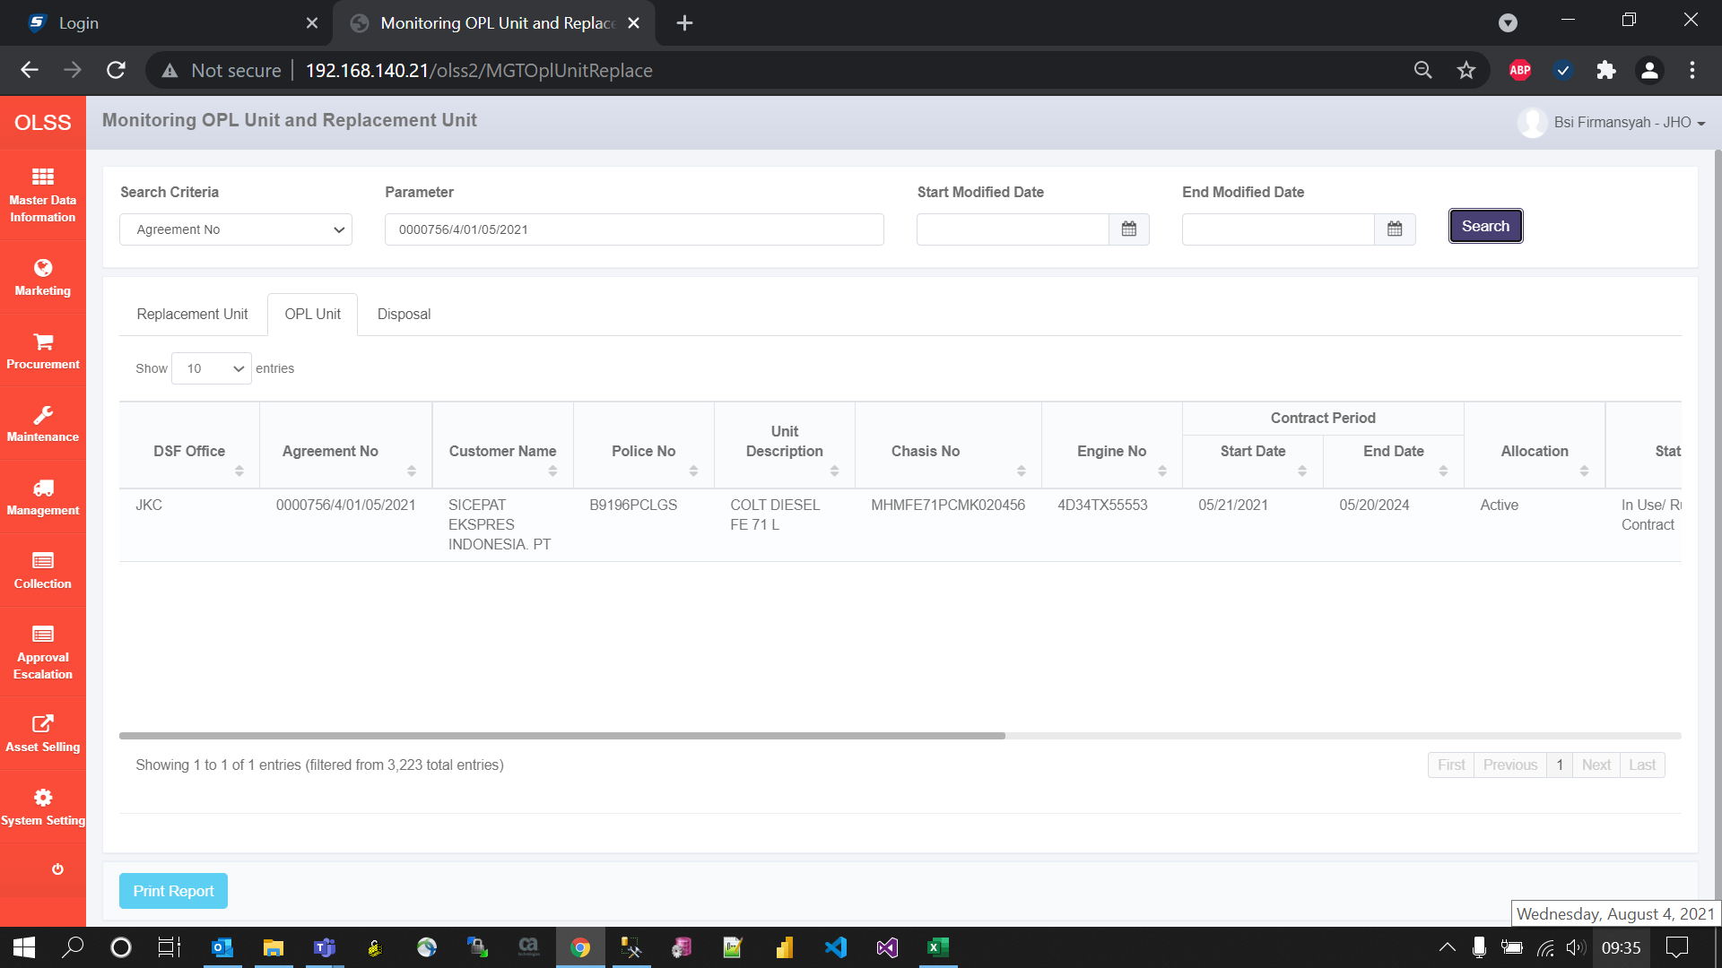
BEFORE
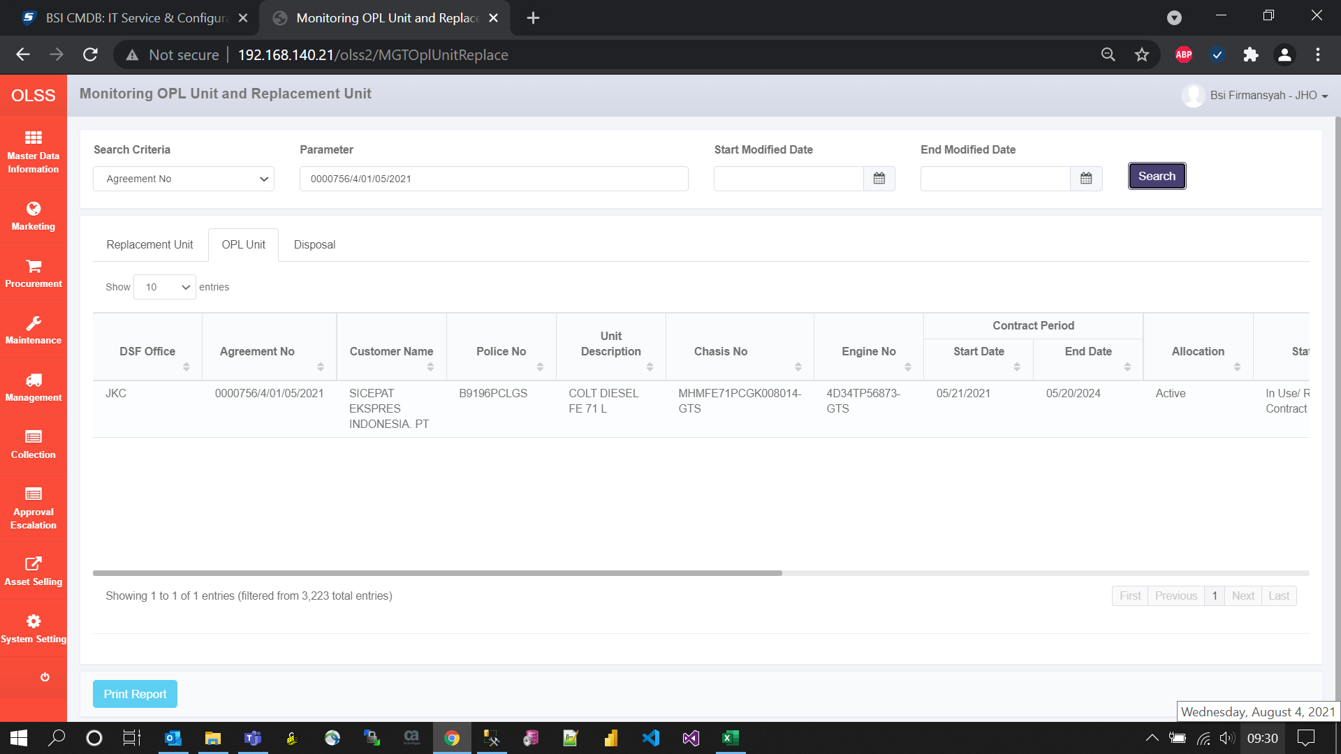

AFTER

